Description
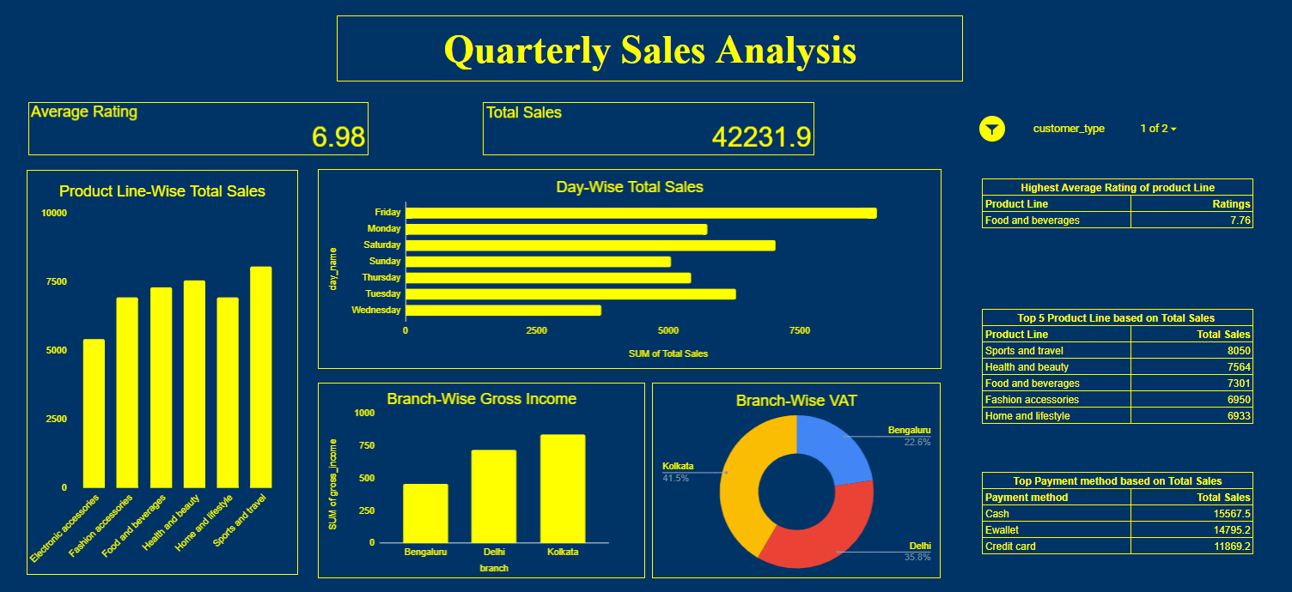
Background Color Code | #003366
Text Color Code | #ffff00
Font | Quarterly Sales | Times New Roman

Description
In the sheet named "Quarterly Sales Data", You have been provided with the Sales Data of products being sold for a period of 3 months. Prepare a Dashboard

Slicers to be used
customer_type - Normal

